Rumble Rivals
Rumble Rivals Test Cases
Author | Ayhan Metin

Feature Name | Story ID | Test Case ID | Summary | Precondition | Execution Steps | Expected Result | Test Setup: [Software, Hardware, etc.] | Test Date | Priority | Review Status | Execution Status | Comments | Proof/ Attachments | Defect #
UNITS- SELECT | 1 | 1 | Select the "ICE COMMON" by ordering. | 1. Open the application and go to main menu. | 1. Select the" Deck" button. 2. See the Units area. 3. Select Unit according to the arena. | Order by arena. | IOS, Iphone XR, Version 15.6.1. | 2022-09-11 | High |  | OK |  | 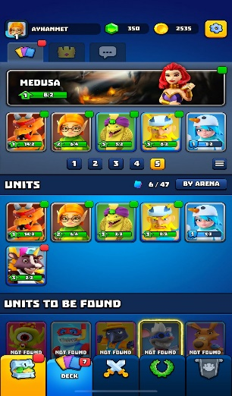
 |  | 2 | Select the ICE COMMON by ordering. | 1. Open the application and go to main menu. | 1. Select the Deck button. 2. See the Units area. 3. Select Unit according to the level. | Order by level. | IOS, Iphone XR, Version 15.6.1. | 2022-09-11 | High |  | OK |  | 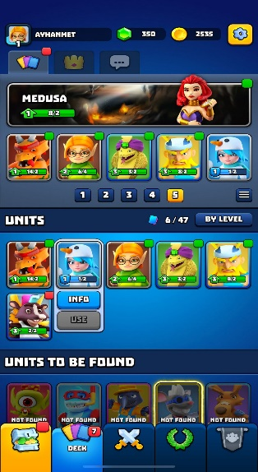
 |  | 3 | Select the ICE COMMON by ordering. | 1. Open the application and go to main menu. | 1. Select the Deck button. 2. See the Units area. 3. Select Unit according to the rarity. | Order by rarity. | IOS, Iphone XR, Version 15.6.1. | 2022-09-11 | High |  | OK |  | 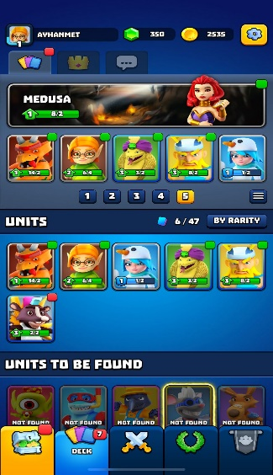
 |  | 4 | Select the ICE COMMON by ordering. | 1. Open the application and go to main menu. | 1. Select the Deck button. 2. See the Units area. 3. Select Unit according to the arena. | Units place can not changed by touching. | IOS, Iphone XR, Version 15.6.1. | 2022-09-11 | High |  | OK
 |  | 5 | Select the ICE COMMON manual. | 1. Open the application and go to main menu. | 1. Select the Deck button. 2. See the Units area. 3. Select the ICE COMMON. 4. Click the INFO. | ICE COMMON info page opened. | IOS, Iphone XR, Version 15.6.1. | 2022-09-11 | High |  | OK |  | 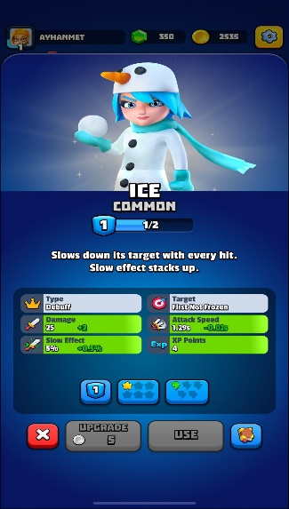
UNITS- ICE COMMON MAIN PAGE | 2 | 1 |  |  | See "ICE COMMON MAIN PAGE". | ICE COMMON info page text is readable and correct information included according to the database. | IOS, Iphone XR, Version 15.6.1. | 2022-09-11 | High |  | OK | Readable and correct data.
 |  | 2 |  |  | See "ICE COMMON MAIN PAGE". | Type, target,damage, attack speed, slow effect and XP points is readable and data are correct. | IOS, Iphone XR, Version 15.6.1. | 2022-09-11 | High |  | OK | Readable and correct data.
 |  | 3 |  |  | Number button in the grid is selected. | Number are decreased or increased. Damage,slow effect, attack speed and XP points are changed. (Need more business rules to be sure correct data is showen.) | IOS, Iphone XR, Version 15.6.1. | 2022-09-11 | High |  | OK | Readable and correct data.
 |  | 4 |  |  | Star button in the grid is selected. | Number of stars are increased or decrased. Attack speed is changed. (Need more business rules to be sure correct data is showen.) | IOS, Iphone XR, Version 15.6.1. | 2022-09-11 | High |  | OK | Readable and correct data.
 |  | 5 |  |  | Green Lightling button in the grid is selected. | Green Lightling of stars are increased or decrased.slow is changed. (Need more business rules to be sure correct data is showen.) | IOS, Iphone XR, Version 15.6.1. | 2022-09-11 | High |  | OK | Readable and correct data.
 |  | 6 |  |  | "UPGRADE" button below the grid is selected. | Screen shows the text: "NOT ENOUGH CARDS TO UPGRADE" | IOS, Iphone XR, Version 15.6.1. | 2022-09-11 | High |  | OK |  | 
 |  | 7 |  |  | "UPGRADE" button below the grid is selected. | Level 2 upgraded. | IOS, Iphone XR, Version 15.6.1. | 2022-09-11 | High |  | OK |  | 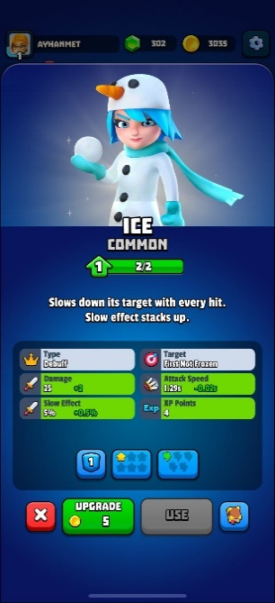
 |  | 8 |  |  | "USE " button below the grid is selected. | Screen shows the text: "CARD ALREADY IN DECK!" | IOS, Iphone XR, Version 15.6.1. | 2022-09-11 | High |  | OK |  | 
 |  | 9 |  |  | Book image button below the grid is selected. Click the "CLAIM" to receive golds. | See the animation and green tick on "CLAIM" button. Check the gold total account that new 10 gold is added. | IOS, Iphone XR, Version 15.6.1. | 2022-09-11 | High |  | OK |  | 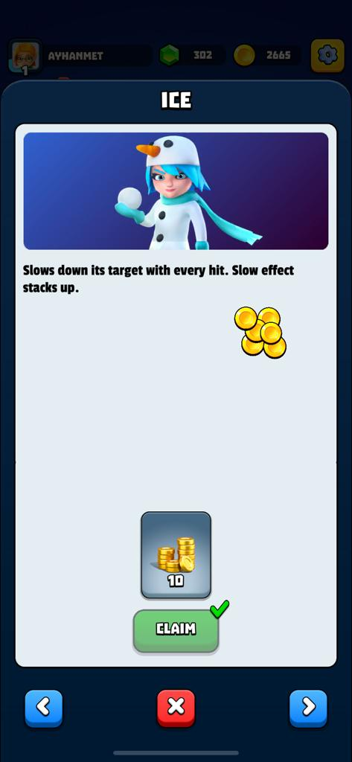
LEADERSHIP SCREEN | 3 | 1 |  |  | Leadership board is opened. | Card unlocks is seen. | IOS, Iphone XR, Version 15.6.1. | 2022-09-12 | High |  | OK |  | 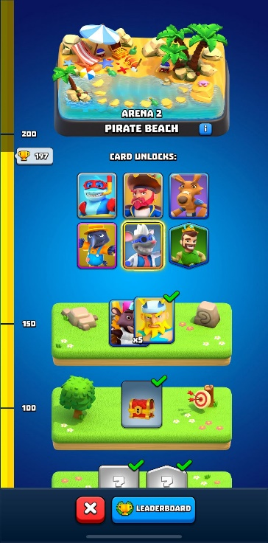
 |  | 2 |  |  | Leadership board is opened. | Gained golden are checked from DB data. | IOS, Iphone XR, Version 15.6.1. | 2022-09-12 | High |  | OK |  | 
 |  | 3 |  |  | Leadership board is opened. | Next stages are showed. (It must be checked by the requirements and business rules) | IOS, Iphone XR, Version 15.6.1. | 2022-09-12 | High |  | OK |  | 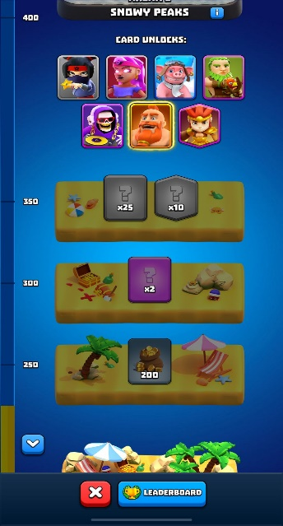
 |  | 4 |  |  | Leadership board is opened. Pirate beach info is selected. | Pirate beach info is showed. | IOS, Iphone XR, Version 15.6.1. | 2022-09-12 | High |  | OK |  | 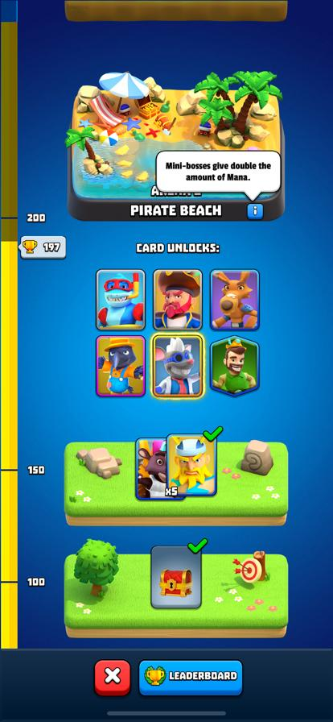
 |  | 5 |  |  | Leadership board is opened. "Leadership" button is selected. | Leaders' details of gained are checked from DB data. | IOS, Iphone XR, Version 15.6.1. | 2022-09-12 | High |  | OK |  | 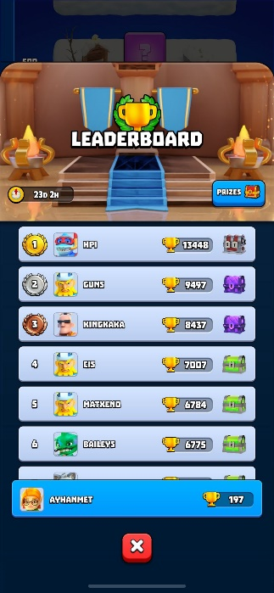
RUMBLE SCREEN | 4 | 1 |  |  | Rumble main screen is opened. | Can be accessed and opened yellow card, when blue bottle point is at the point. | IOS, Iphone XR, Version 15.6.1. | 2022-09-12 | High |  | OK | 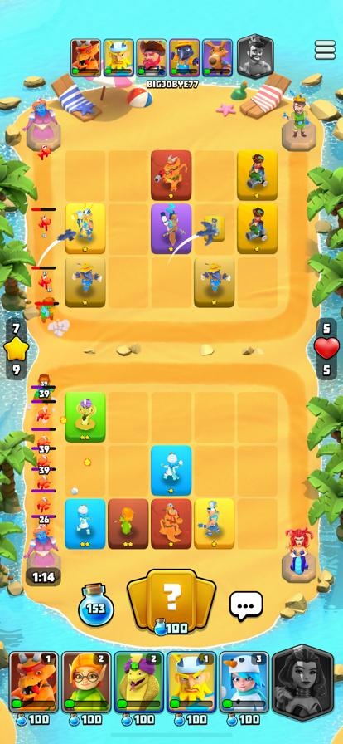
 |  | 2 |  |  | Rumble main screen is opened. | Can not be accessed and opened grey card, when blue bottle point is not at the point. | IOS, Iphone XR, Version 15.6.1. | 2022-09-12 | High |  | OK | 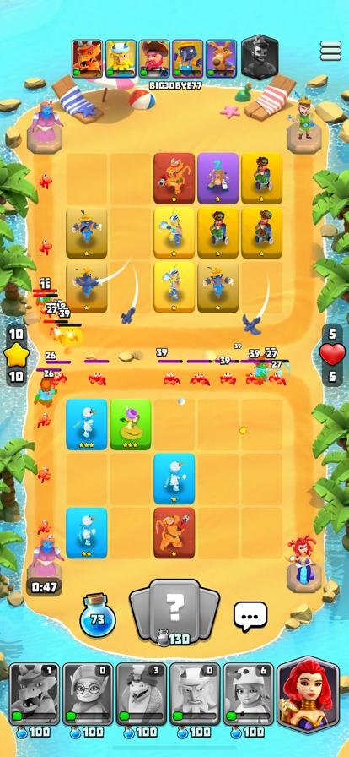
 |  | 3 |  |  | Rumble main screen is opened. Message icon is selected. | Emoji and text are opened. ( The texts can be changed according to the business rules, not enough data to be sure) | IOS, Iphone XR, Version 15.6.1. | 2022-09-12 | High |  | OK | 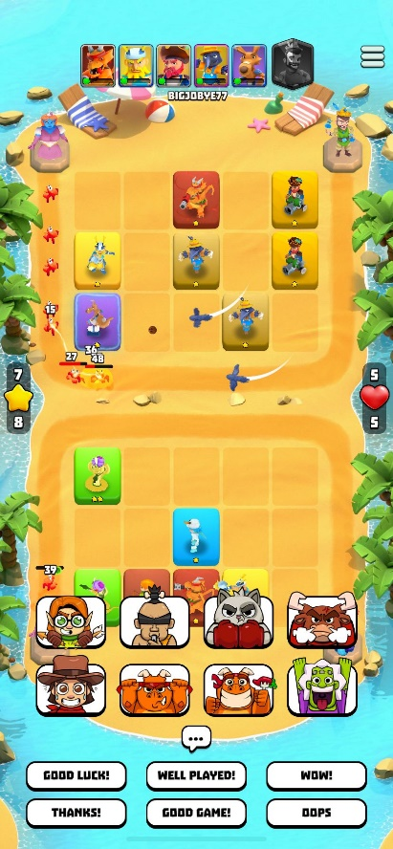
 |  | 4 |  |  | Rumble main screen is opened. | ARENA is changed according to the stage. | IOS, Iphone XR, Version 15.6.1. | 2022-09-12 | High |  | OK | 
 |  | 5 |  |  | Rumble main screen is opened.Rival area unit' is selected. | Rival unit' details are showed. ( Data must be controlled according to the DB data and business rules) | IOS, Iphone XR, Version 15.6.1. | 2022-09-12 | High |  | OK | 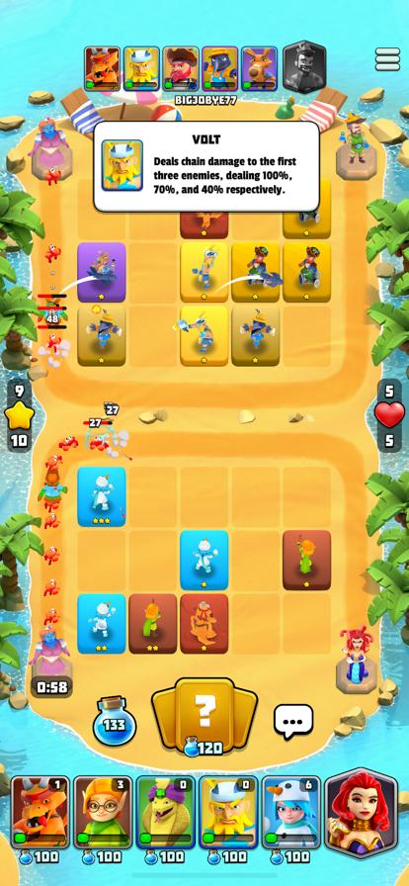
EVENTS | 1 | 1 |  |  | ZERO TO HERO section is opened. | Screen details is showed. | IOS, Iphone XR, Version 15.6.1. | 2022-09-12 | High |  | NOK | Text graphps error, screenshot is added. |  | 